Intro
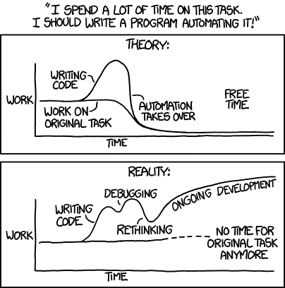
What is VBA?
-Visual Basic for Applications
-Visual Basic: programming language
-For Applications: used for Microsoft Office Applications (Excel, Word, etc.)
-create functions, automate tasks, create interfaces…

How do I access VBA?
-Add Developer tab to your ribbon
-File -> Options -> Customize Ribbon -> Developer
-Open up Visual Basic
-Developer -> Visual Basic
OR
-Alt + F11

Excel Hierarchy
-Application
-Workbooks
-Worksheets
-Range

