General_Info
Workbook
Excel Ribbon: | Options: | Hierarchy: | Errors: | Meaning | Example
Home | General |  | #DIV/0! | Division by 0 | #DIV/0!
-general text/cell formatting | -Defaults on font, ribbon, visuals |  | #N/A | No value available | #N/A
Insert | Formulas |  | #NAME? | Unrecognizable name | #NAME?
-tables, charts, figures, links | -calcuation/formula methods |  | #NULL! | Intersection of ranges does not exist | #NULL!
Draw | -handling error alerts |  | #NUM! | Problem with a number in the formula | #NUM!
Worksheet
-specialized design | Data |  | #REF! | Invalid cell referece | #REF!
Page Layout | -handling and viewing data |  | #VALUE! | Wrong type of operator or argument in a function | #VALUE!
-sheet formatting | Proofing |  | ######## | Column not long enough to represent number | 7.012E+13
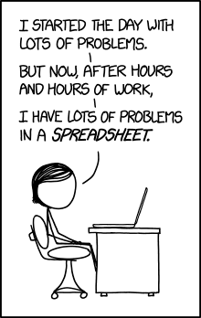
Formulas | -autocorrect, grammar, spelling
-formulas, tracing | Save
Table
Data | -auto saving, default format/location
-insert data, handle data | Language
Review | -editing/displayed language
-proof-reading and commenting | Advanced
View | -miscellaneous options
Range
-visual interface | Customize Ribbon
File | -choose sections and subsections
-save, print, export, options | Quck Access Toolbar
 | -choose options for toolbar
 | Add-Ins
Cell
 | -importing other packages
 | Trust Center
 | -handling outside sources

